simplified version - use this
Ventilation Risk Assessment Tool – Multi Occupancy Spaces
This tool is an indicator and provides a guide to risk factors. Should a medium or high risk be calculated you should contact the Safety Office for further advice.
If very high risk factors are calculated specialist technical help and analysis will be necessary.
Risk assessment tool for assessing a physical space– Hands, Face, Space, Ventilation, Duration
Ventilation cannot be assessed without first ensuring that other key control measures are in place.
 |  | For each category enter 1 opposite the appropriate score
1. Hands
Control measure
Hand sanitiser/washing facilities at entrance/visual reminders in place | 0 | 1
Hand wash facilities in toilets and kitchens only /no visual reminders | +10
No hand sanitiser available/no handwashing facilities at all/no visual reminders | +20
2. Face
Assumption - everyone is wearing the same face protection in the space
Control measure | Score
FFP3 mask/half mask with filter (un-valved)/air-fed hood | +0
FFP2 mask (un-valved) | +0
Any valved mask | +5
Type II face covering | +5
Fabric face covering (non- rated) | +5 | 1
Face shield/visor | +10
No face coverings worn | +20
3. Space
A. This relates to the physical distance between people in the space
Control measure | Score
>5m | 0
2-5m | +5
2m | +10 | 1
<2m | +20
* Social distancing of 2m must be maintained at all times unless specific essential reasons for working closer are identified, risk assessed and controlled by other measures. E.g. Clinical setting, use of shared laboratory equipment.
B. Occupancy level (persons)
Control measure | Score
1 | 0
2 | +5
2-5 | +10 | 1
6-8 | +15
8+ | +20
* Occupancy rates cannot exceed any number determined by the 2m social distancing rule.
4. Ventilation
Control measure | Score
Mechanical ventilation with HEPA filtration | 0
Mechanical ventilation - supplied from fresh air feed | 0
Positive air pressure in room | +10
Openable windows/doors– natural ventilation | +10 | 1
Mechanical ventilation – recirculated air/fresh air mix | +15
Mechanical ventilation – completely recirculated air (including recirculating air conditioning units) | +20
No ventilation (internal space or no opening windows) | +20

5. Duration
Control measure | Score
< 15 minutes | 0
30 minutes max | +5
60 minutes max | +10
90 minutes max | +15
>90 minutes | +20 | 1

6. Mitigating factors
Air changes per hour above 10 (if known) | -20
Room left empty for 15 minutes+ prior to occupation with mechanical ventilation that includes outside air running. | -15
Room left empty for 15 minutes+ prior to occupation with only ventilation from open windows | -10
Static use (minimal movement – people sat at desks i.e. office, lecture etc.) | -5 | 1

7. Cambridge COVID case rate mitigating factors
0-10 | -30 | 1
11-20 | -25
21-30 | -20
31-40 | -15
41-50 | -10
51-60 | -5
61-70 | 0
71-80 | +5
81-90 | +10
91-100 | +15
To find this case rate use the following link Cases | Coronavirus in the UK (data.gov.uk) Scroll down to ‘Recent 7-day case rates by specimen date’ bar graph and click on the furthest bar on the right hand side of the chart as shown in the screen shot below. The case rate will appear in a pop up box. | 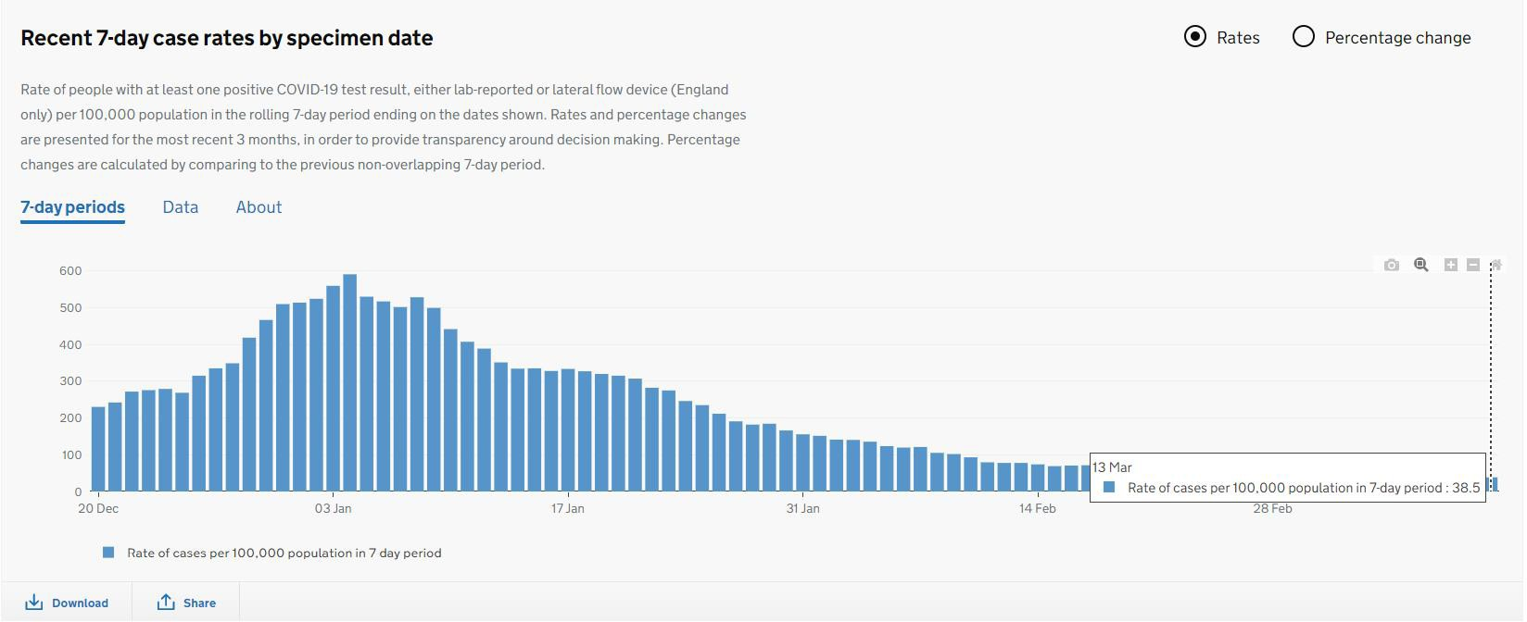

8. Additional Risk factors
Low aerosol generating activity e.g. lecture/training | +5 | 1
Temperature below 8 degrees c e.g. cold room | +10
Medium aerosol generating activity e.g. meeting with discussion, eating | +15
High aerosol generating activity e.g. Singing, wind instruments, voice projection, drama, loud speaking (e.g. speaking over loud machinery) | +20
Aerobic activity i.e. Gym | +20

RA - Calculation
Section
1. Hands |  | 0
2. Face |  | 5
3. Space A |  | 10
3. Space B |  | 10
4. Ventilation |  | 10
5. Duration |  | 20
6. Mitigating Factors |  | -5
7. Cambridge COVID case rate mitigating factors |  | -30
8. High risk factors |  | 5
Total |  | 25
Rating |  | Low

Risk rating | Score
Low | <35
Medium | 35-50
High | 50+

